Hourly Profile
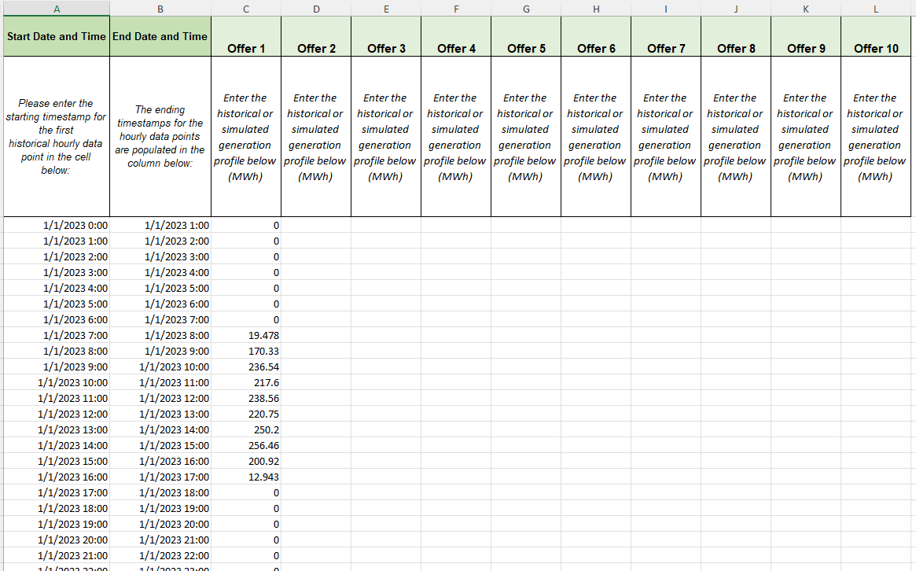
Start Date and Time | End Date and Time | Offer 1 | Offer 2 | Offer 3 | Offer 4 | Offer 5 | Offer 6 | Offer 7 | Offer 8 | Offer 9 | Offer 10
Please enter the starting timestamp for the first historical hourly data point in the cell below: | Please enter the ending timestamp for the first historical hourly data point in the cell below: | Enter the historical or simulated generation profile below (MWh) | Enter the historical or simulated generation profile below (MWh) | Enter the historical or simulated generation profile below (MWh) | Enter the historical or simulated generation profile below (MWh) | Enter the historical or simulated generation profile below (MWh) | Enter the historical or simulated generation profile below (MWh) | Enter the historical or simulated generation profile below (MWh) | Enter the historical or simulated generation profile below (MWh) | Enter the historical or simulated generation profile below (MWh) | Enter the historical or simulated generation profile below (MWh)
 |  |  |  |  |  |  |  |  |  |  |  | Provide at least one year and at most three years of actual historical (if available) or simulated historical (if actual historical is not available) hourly generation data for the renewable resource alone (i.e., NOT altered by storage dispatch, curtailment, or parasitic load). Do not include daylight savings (i.e., provide all data in standard time) but do include leap days. For simulated historical data, consider using NREL's System Advisor Model (SAM; https://sam.nrel.gov/) to generate a solar or a wind profile for your specific location. Use actual historical weather year data instead of typical meteorological year (TMY) data.

 |  |  |  |  |  |  |  |  |  |  |  | EXAMPLE:

